AD
Photo | Article | Model | S | M | L | XL | XXL | Total
 | CV3753 | Adidas Men Core 18 Sweat Pants Blue | 18 | 36 | 36 | 18 |  | 108
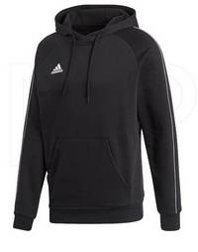 | CE9068 | Adidas Men Core 18 Hoodie Black/White |  | 16 | 19 | 34 | 12 | 81
 | CV3752 | Adidas Men Core 18 Sweat Pants Black | 18 | 36 | 36 | 18 |  | 108
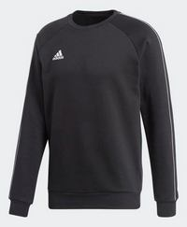 | CE9064 | Adidas Men Core 18 Sweat Shirt Black/White |  | 18 | 36 | 36 | 18 | 108
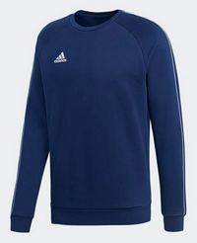 | CV3959 | Adidas Men Core 18 Sweat Shirt Dark Blue/White |  | 18 | 36 | 36 | 19 | 109
 |  |  |  |  |  |  |  | 514

